intro - supervised
Supervised learning approach

 | papers
 |  | 2013: Illumination invariant segmentation of vegetation for time seris wheat images based on decision tree model
 |  |  | - possible general strategy
 |  | 2008: Verification of color vegetation indices for automated crop imaging applications
 |  |  | - about the variety and effectiveness of a set of the color vegetation indices

 | training data collection

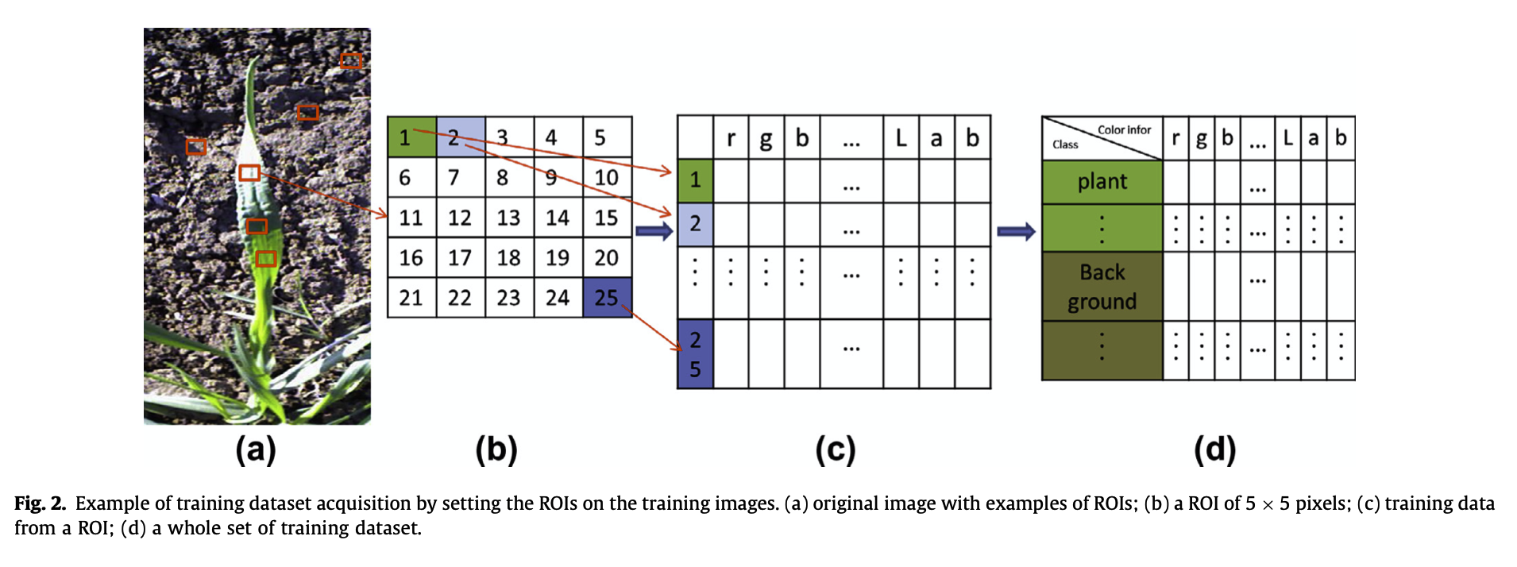

 | challenges
 |  | how to overcome various natural light conditions which some times strongly affect the profile of the crop images taken outdoor (Wei Guo, Uday K. Rage, Seishi Ninomiya)
 |  | - strongly shadowed and specularly reflected parts;
 |  | - sunny / non-sunny groups of images;

 | possible steps to do
 |  | 1. label training/validation/test data
 |  | ROIs - Regions of Interests
 |  | 2. collect training/training data
 |  | 3. select features (e.g. indeces, other color features, etc.) <- features selection technique
 |  | 4. select Classifier, train model
 |  | 5. estimate model accuracy
 |  | 6. noise reduction process (spatial filters)

 | possible tools/techniques required
 |  | 1. tool for manual labeling (e.g. Adobe Elements, WACOM)
 |  | 2. color spaces |  | <- recommended features differed depending on target plants;
 |  | RGB; HSV; CIE L*a*b*; Ohta's color space;
 |  | rgb; YCbCr; HSL; HSV; CIEL*a*b*; CIEL*u*v*
 |  | 3. feature selection technique
 |  | ExG; ExG-ExR; MExG (Modified); NDI;
 |  | 4. classifier(s)
 |  | 5. accuracy estimator(s)
 |  | Qseg; Sr
 |  | 6. spatial filters

